ART
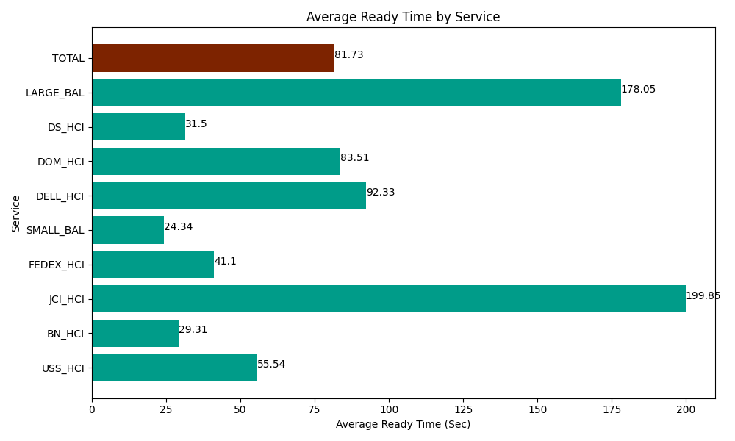
Date | Service | Successful Op Transfer | In Call (Sec) | Ready (Sec) | Wrapup (Sec) | Not Ready (Sec) | Average Ready Time (Sec)
05-15-2024 | USS_HCI | 122 | 14170.799561 | 6775.8000183 | 14318.999634 | 4219.8001099 | 55.54
05-15-2024 | BN_HCI | 1070 | 64513.798828 | 31365 | 102885 | 43599.001465 | 29.31
05-15-2024 | JCI_HCI | 160 | 16231.799927 | 31975.799561 | 17686.799927 | 6031.7999268 | 199.85
05-15-2024 | FEDEX_HCI | 48 | 5662.2001648 | 1972.8000641 | 2742.0000458 | 10288.200073 | 41.1
05-15-2024 | SMALL_BAL | 48 | 3012.0000458 | 1168.1999588 | 4171.7999268 | 893.99997711 | 24.34
05-15-2024 | DELL_HCI | 90 | 9610.7995605 | 8310 | 24430.799561 | 10597.800293 | 92.33
05-15-2024 | DOM_HCI | 16 | 773.99997711 | 1336.2000275 | 1114.7999954 | 13.80000025 | 83.51
05-15-2024 | DS_HCI | 522 | 39397.199707 | 16444.200439 | 60553.198242 | 54997.199707 | 31.5
05-15-2024 | LARGE_BAL | 4 | 150 | 712.19999313 | 691.79998398 | 127.80000687 | 178.05
 | TOTAL | 2080 | 153522.59777 | 100060.20006 | 228595.19732 | 130769.40156 | 81.73

